Discriminatory Power Test
 |  | Corporate
 |  |  |  |  |  |  |  |  |  |  |  |  |  |  |  | Receiver Operating Characteristic Curve - ROC
Baseline | Rating | Account | Performaning | Default | Performaning Probability | Default Probability | Cummlative Performaning | Cummlative Default | Cummlative Performaning Probability | Cummlative Default Probability | Default Rate | GINI Testing |  |  | Kolmogorov Smirnov Statistics - KS Test | False Positive Rate - FPR | True Positive Rate - TPR | Area Under Curve - AUC

0% | 10 | 6 | 4 | 2 | 1% | 10% | 4 | 2 | 1% | 10% | 33% | 10% | 1% | 0% | 9% | 10% | 0% | 0% |  |  | Gini Coefficient | 43%
12% | 9 | 5 | 4 | 1 | 1% | 5% | 8 | 3 | 1% | 14% | 20% | 5% | 2% | 0% | 13% | 14% | 1% | 0% |  |  | Gini coefficients of 40% or above are deemed to be indicators of strong credit-scoring accuracy
23% | 8 | 26 | 23 | 3 | 4% | 14% | 31 | 6 | 5% | 29% | 12% | 14% | 6% | 1% | 24% | 29% | 1% | 1% |  |  | KS Statistics | 35%
35% | 7 | 83 | 78 | 5 | 12% | 24% | 109 | 11 | 17% | 52% | 6% | 24% | 22% | 5% | 35% | 52% | 5% | 8% |  |  | The value above 30% is acceptable
46% | 6 | 324 | 317 | 7 | 50% | 33% | 426 | 18 | 67% | 86% | 2% | 33% | 84% | 28% | 19% | 86% | 17% | 46% |  |  | Receiver Operating Characteristic Curve - ROC | 89%
58% | 5 | 161 | 158 | 3 | 25% | 14% | 584 | 21 | 92% | 100% | 2% | 14% | 158% | 23% | 8% | 100% | 67% | 25% |  |  | The value greater than 75 % is considered very good model.
69% | 4 | 40 | 40 | 0 | 6% | 0% | 624 | 21 | 98% | 100% | 0% | 0% | 189% | 0% | 2% | 100% | 92% | 6%
81% | 3 | 9 | 9 | 0 | 1% | 0% | 633 | 21 | 99% | 100% | 0% | 0% | 197% | 0% | 1% | 100% | 98% | 1%
92% | 2 | 2 | 2 | 0 | 0% | 0% | 635 | 21 | 100% | 100% | 0% | 0% | 199% | 0% | 0% | 100% | 99% | 0%
104% | 1 | 3 | 3 | 0 | 0% | 0% | 638 | 21 | 100% | 100% | 0% | 0% | 200% | 0% | 0% | 100% | 100% | 0%
 |  | 659 | 638 | 21 | 100% | 100% |  |  |  |  | 3% |  |  | 57% | 35% |  |  | 89%

The Cumulative Accuracy Profile
Receiver Operating Characteristic Curve - ROC
 |  |  |  |  |  |  |  |  |  |  |  |  |  |  |  |  |  | Confusion Matrix
 |  |  |  |  |  |  |  |  |  |  |  |  |  |  |  |  |  | Predicted | Actual
 |  |  |  |  |  |  |  |  |  |  |  |  |  |  |  |  |  |  | Good | Bad
 |  |  |  |  |  |  |  |  |  |  |  |  |  |  |  |  |  | Good | 638 | 21
 |  |  |  |  |  |  |  |  |  |  |  |  |  |  |  |  |  | Bad | 2 | 17

 |  |  |  |  |  |  |  |  |  |  |  |  |  |  |  |  |  | Accuracy | 97%
 |  |  |  |  |  |  |  |  |  |  |  |  |  |  |  |  |  | Sensitivity | 97%
 |  |  |  |  |  |  |  |  |  |  |  |  |  |  |  |  |  | Specificity | 89%

 |  |  |  |  |  |  |  |  |  |  |  |  |  |  |  |  |  | TPR | 81%
 |  |  |  |  |  |  |  |  |  |  |  |  |  |  |  |  |  | FPR | 0.31%

Binomial Test
 |  |  |  | Minimum Default Rate |  |  | Φ =2.33 | Φ−1 denotes the inverse function of the standard normal distribution
 | Corporate |  |  | 0.03% |  |  |  | Null hypothesis (H0): the default of a rating category is correct
 |  |  |  |  |  |  |  | Alternative hypothesis (H1): the default of a rating category is underestimated
Rating | Account | Performaning | Default | Default Probability | Performaning Probability | Mean | Standard Deviation | Approximation Result | Remarks
 |  |  |  | P | 1-P | nP | sqrt (nP * (1-P)) | *sqrt (nP * (1-P)))+nP
10 | 6 | 4 | 2 | 33% | 67% | 2 | 1.15 | 4.69 | Do not Reject Ho
9 | 5 | 4 | 1 | 20% | 80% | 1 | 0.89 | 3.08 | Do not Reject Ho
8 | 26 | 23 | 3 | 12% | 88% | 3 | 1.63 | 6.79 | Do not Reject Ho
7 | 83 | 78 | 5 | 6% | 94% | 5 | 2.17 | 10.04 | Do not Reject Ho
6 | 324 | 317 | 7 | 2% | 98% | 7 | 2.62 | 13.09 | Do not Reject Ho
5 | 161 | 158 | 3 | 2% | 98% | 3 | 1.72 | 6.99 | Do not Reject Ho
4 | 40 | 40 | 0 | 0% | 100% | 0.012 | 0.11 | 0.27 | Do not Reject Ho
3 | 9 | 9 | 0 | 0% | 100% | 0.0027 | 0.05 | 0.12 | Do not Reject Ho
2 | 2 | 2 | 0 | 0% | 100% | 0.0006 | 0.02 | 0.06 | Do not Reject Ho
1 | 3 | 3 | 0 | 0% | 100% | 0.0009 | 0.03 | 0.07 | Do not Reject Ho
 | 659 | 638 | 21

Chi-sqr
 |  |  |  | Minimum Default Rate
 | SME_FS |  |  | 0.03%

Rating | Account | Performaning | Default | Default Probability | Performaning Probability | Mean | Mean minus Default | Product of Mean Performaning Probability | Expected Observation - t | sum of (observed – expected)^2/expected.
 | n |  | Φ | P | 1-P | nP | (nP-Φ)2 | nP(1-P) | (nP-Φ)2 / nP(1-P)
10 | 2 | 1 | 1 | 50% | 50% | 1 | 0.00 | 0.50 | 0.00 | 0.000
9 | 4 | 2 | 2 | 50% | 50% | 2 | 0.00 | 1.00 | 0.00 | 0.000
8 | 12 | 12 | 0 | 0% | 100% | 0.0036 | 0.00 | 0.00 | 0.00 | 0.004
7 | 30 | 26 | 4 | 13% | 87% | 4 | 0.00 | 3.47 | 0.00 | 0.000
6 | 241 | 237 | 4 | 2% | 98% | 4 | 0.00 | 3.93 | 0.00 | 0.000
5 | 60 | 59 | 1 | 2% | 98% | 1 | 0.00 | 0.98 | 0.00 | 0.000
4 | 2 | 2 | 0 | 0% | 100% | 0.0006 | 0.00 | 0.00 | 0.00 | 0.001
3 | 13 | 13 | 0 | 0% | 100% | 0.0039 | 0.00 | 0.00 | 0.00 | 0.004
2 | 0 | 0 | 0 | 0% | 100% | 0 | 0.00 | 0.00 | 0.00 | 0.000
1 | 3 | 3 | 0 | 0% | 100% | 0.0009 | 0.00 | 0.00 | 0.00 | 0.001
 | 367 | 355 | 12 |  |  |  |  |  | 0.01 | 0.009

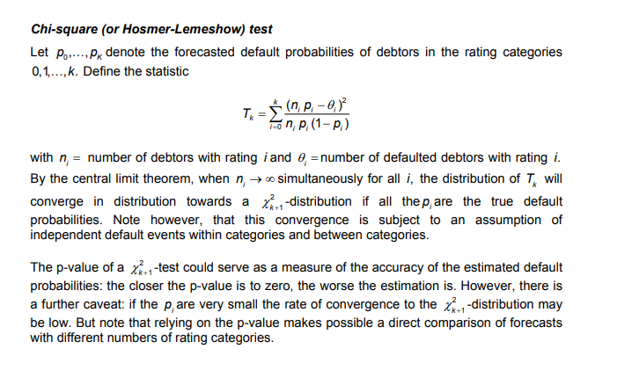
 |  |  |  |  |  |  |  | Degree of Freedom | 11
 |  |  |  |  |  |  |  | Chi Squred Value | 0.009
 |  |  |  |  |  |  |  | P - Value | 1.000
 |  |  |  |  |  |  |  | Decision | P value closer to 1 is accptable

